Sheet1
 | STEPS:

1 | Create Data Stream - On Demand | DataStream Name
2 | Create 2 Tables | AggregatedData | AnamolyData
 |  | Partitionid- sprinklerid
 |  | sort key- sensor_timestamp
3 | Create s3 bucket -Enable versioning | S3 bucket name
4 | Create 2 Lambda Functions | StoreAggregatedData(Add the code from GIT) | Aggregate Lambda Code | Provide dynamodbfullaccess and dynamodbexeccutionrole
 |  | Process Anamoly Data(Add the code from GIT)
5 | Create Delivery Stream firehose to connect kinesis to s3 | Select source as kinnesis stream and destination as s3 bucket and specify source and destiation details
6 | Start publishing data to kinesis stream so schema is discoverable for analytics
7 | Create Analytics Application->SQL applications (legacy) | Specify source as Kinesis Data Stream created in step 1 and disccover schema in source

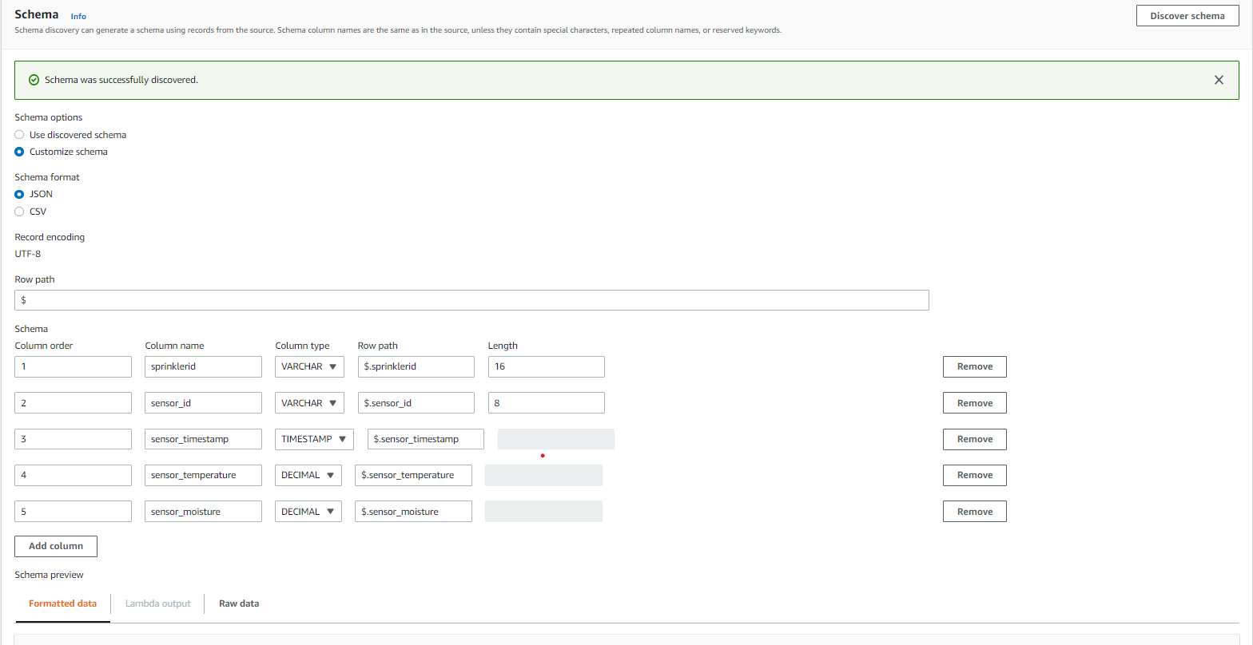

 |  | Change Decimal to REAL in above and then save changes
 |  | Real Time Analytics->Configure->Add SQL Code of Aggregate and Anamoly->Save and Run Application
 |  | Observe the stream outputs below and connect aggregate stream to destination Lambda aggregator
 |  | And connect Anamoly Stream to destination Lamda anamoly handler
 |  | Rest Lambda will take care to push aggregate Data to dynamo db and anamoly data will be pushed to anamoly lambda and rekha can check on further processing

